1. Title Page
Instacart Grocery Baskey Analysis

Project Name: Instacart Grocery Baskey Analysis
Date: February 2024
Analyst Name: Isaia Aponte

Contents:
Population Flow
Consistency checks
Wrangling steps
Column derivations
Visualizations
Recommendations

2. Population Flow
 |  |  | Title page

Population flow

Exclusion flag
Condition: max_order <
Obervations to be removed:
Final total count of order_products_all:

Orders_products_combined
Orders_Products_merged
Orders_products_Customers

Total:
Total:
Total:
32,434,489 | 32,434,489 | 32,404,859

1.) The grey boxes in the first row of the population flow represent the original data sets as they were when you downloaded them. In the Total fields you need to add the count of the rows when you imported the data set into Jupyter.
2.) The second row of boxes (coloured) represents the data sets after you manipulated them, e.g., removed missing values and duplicates. In the Total fields you need to add the count of the rows after conducting these operations. This offers a visual oveview of how the data flows throughout the data consistency checks.
3.) The third row, where also the arrows are coloured, represents the merges you performed between the datasets. In the Total fields you need to add the count of the rows in the merged datasets, so that you end up with the final dataset (in the red box). Keep in mind the final dataset should be without exclusions (based on the exclusion flag).

3. Consistency checks
 |  |  |  | Title page
Consistency checks

Dataset | Missing values | Missing values treatment | Duplicates
orders | 206,209 values missing from "days since prior order" column | Created a flag column as these were all customers with no previous order history | None
products | 16 'product name " values missing | Created a dataframe that omitted all entires with missing values | Cleaned dataframe was created to remove the 5 dupes
orders_products_prior | 0 | N/A | None
customers | 0 | N/A | none
ords_prods_merge | 0 | Crosstab check for missing values in the days since price order column

4. Wrangling steps
 |  |  |  | Title page
Wrangling steps

Columns dropped | Columns renamed | Columns' type changed | Comment/Reason
Eval_set | order_dow to orders_day_of_the week | Order_id type changed to string | eval_set column dropped as all values were the same and n/a Orders_dow column name changed for better readability Order_id column type changed for consistency
 |  | Order_number changed to string | Consistency
 | order_hour_of_day to hour_of_day_order_placed |  | For better readability
 | busiest_day to busiest_days |  | Focused on top and bottom two busiest days
 | surname |  | Remaned it 'Last Name' for better readability
First Name' |  |  | Dropped for PII concerns
Last Name |  |  | Dropped for PII concerns

5. Column derivations
 |  |  |  | Title page

Column derivations and aggregations

In this tab you should add tables below that the frequences of flags/label variables that you produced after deriving them. NB: don't do this for continuous variables, only for flags.
Dataset | New column | Column/s it was derived from | Conditions
df_ords_prods_merg | _merge | Product_id | Product_ID must be found in both data sets
ords_prods_merge | price_range_loc | prices | <$5 = low-range product >$5 - <$15 = Mid-range product = > $15 = high-range product
ords_prods_merge | busiest_day | orders_day_of_week | 0 = busiest day 4 = least busy All other days = regularly busy
ords_prods_merge | busiest period of time | hour_of_day_order_placed | Top 8 businest order hours = Most orders Middle 8 busiest order hours = average orders Bottom 8 busiest order days = Fewest orders
ords_prods_merge | max_order | order_number | Lists the number of orders per user_id
ords_prods_merge | loyalty_flag | max_order | if max order > 40 = 'loyal customer' If max order is > 10 & <= 40 = 'regular customer If max order <= 10 = 'new customer'
ords_prods_merge | avg_order_price | prices | Lists the average spend of each user id
ords_prods_merge | spending_flag | avg_order_price | If the avg_order_price is < $10 = 'Low spender' If the avg_order_price is => $10 = 'High spender'
ords_prods_merge | median_days_between_orders | days_since_prior_order | Median days between orders for each user_id
ords_prods_merge | frequency_flag | median_days_between_orders | If median days between orders > 20 = 'Non-frequent customer' If median days between orders > 10 & <= 20 = 'Regular customer' If median days between orders < 10 = 'Frequent customer'
ords_prods_custs | Region | State | If a customer resides in Maine, New Hampshire, Vermont, Massachusetts, Rhode Island, Connecicut, New York, Pennsylvania, New Jersey they are in the 'Northeast' Region. If a customer resides in Wisconsin, Michigan, Illinois, Indiana, Ohio, North Dakota, South Dakota, Nebraska, Kansas Iowa, Missouri they are in the Midwest region. If a customer resides in Delaware, Maryland, District of Columbia, Virginaia, West Virginia, North Carolina, South Carolina, Georgia, Florida, Kentucky, Tennessee, Mississippi, Alabama, Oklahoma, Texas, Arkansas, Louisiana they are in the 'South' region. If a customer resides in Idaho, Montana, Wyoming, Nevada, Utah, Colorado, Arizona, New Mexico, Alaska, Washington, Oregon, California, Hawaii they are in the 'West' region.
ords_prods_custs | customer_activity | max_order | If a customer has placed less than 5 orders = low-activity customer If a customer has placed more than 5 orders = high-activity customer
ords_prods_custs | Customer Profile | Age, number of dependants, fam status | If a customer is under 40 with no dependants = Young Single Adult If a customer is under 40 with 1 or more dependants = Young Parent If a customer is between 41-59 and they have no dependants = Middle-Aged Single Adult If a customer is between 41-59 and they have 1 or more dependants = Middle-Aged Parent If a customer is 60 or older and is not married = Single Senior If a customer is 60 or older and is married = Married Senior

6. Visualizations
 | Title page

Visualisations

1. Check whether there’s a difference in expenditure (the “prices” column) depending on the hour of the day. (Hint: To check this, you need to use an accurate sample for your line chart!)

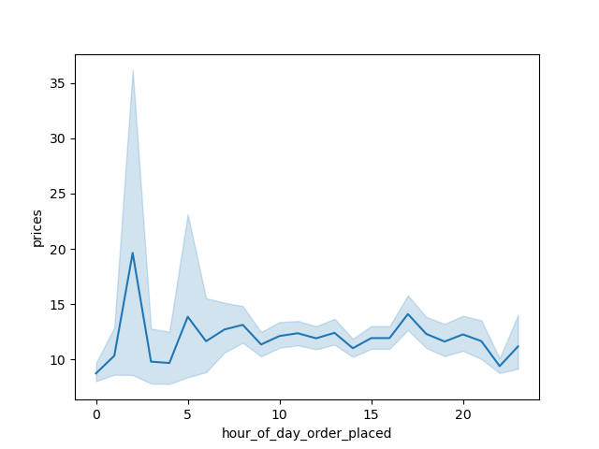

This chart shows that customers placed orders for the highest priced orders at 2am while the lowest priced orders at 10pm.

2. What days of the week is customer expenditure highest?
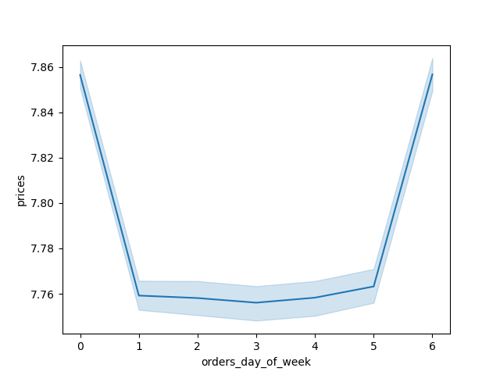

Friday and Saturday are when customers spend the most.

3. You need to provide the Instacart senior stakeholders with descriptive findings about sales. Create a histogram of the “order_hour_of_day” column.



The histogram shows that 10am is the most popular times when orders are placed, while the least amount of orders are placed at 3am. Placed orders rise considerably at 8am, peaking at 10am then are consistently high until a considerable decrease in placed orders at 5pm. Placed orders then decrease consistently hour over hour until 3am.

4. The marketing team is curious about the distribution of orders among customers in terms of loyalty.



Most of Instacart's customers are Regular customer, Followed by Loyal customers and New Customers make up the smallest customer demogrphic in terms of customer loyalty.

5. Determine whether there’s a connection between age and family situation by creating a line chart exploring the connections between age and number of dependents:


There is not a stong correlation between age and number of dependants, as there is great variation in the number of dependants regardless of age.

6. You’ll also need to explore whether there’s a connection between age and spending power (income).


Many more Instacart customers aged 40 and older have incomes of $200,000−$600,000 than those below 40 years old. There are no Instacart customers below the age of 40 with incomes above $400,000.

7. Aggregate the mean variables on a customer-profile level for expenditure.
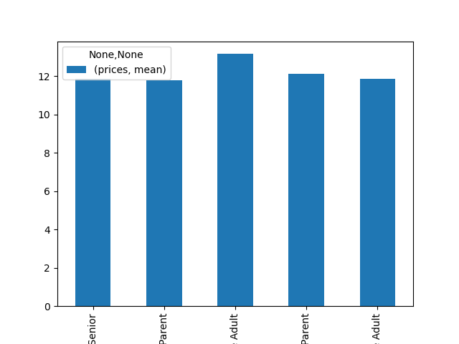

Middle Aged single adults spend the most/order, while married seniors, middle-aged parents and young adults spend the least per order.

8. Number of high-spenders by Profile
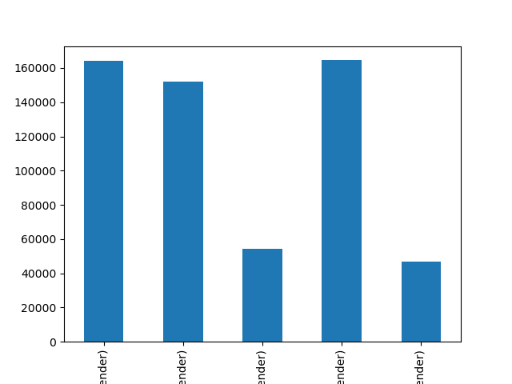

The top high-spending customer profiles are married seniors then young parents followed by middle-aged parents. Young Single adults make up the smallest prcentage of Instacart's high spenders.

8. Number of customers per customer profile
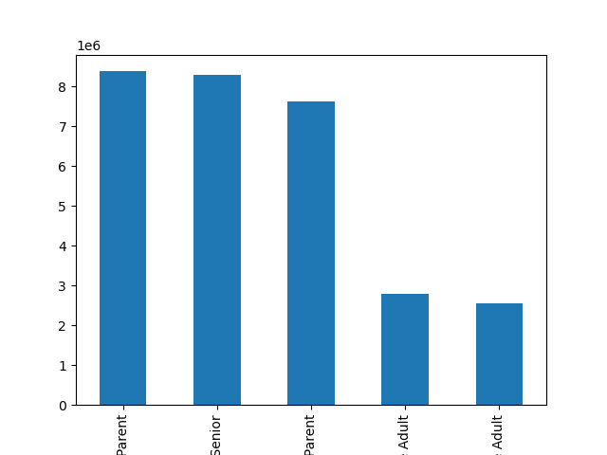

Young parents are the largest customer profile, followed by married seniors. Single married adults are the smallest customer profile.

7. Aggregate the mean variables on a customer-profile level for frequency usage

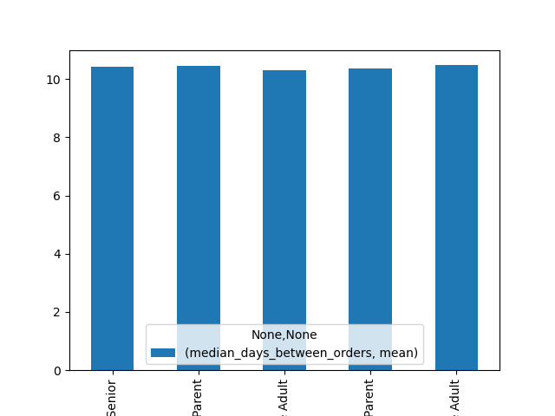

There is no meaningful difference in days between orders across customer profiles.

7. Recommendations
 |  | Title page

Visualizations & Recommendations

In this tab you should include any recommendations you would made to Instcart in terms of their marketing strategy based on the questions posed in the brief. Every key question has been covered in the Tasks of the Exercises - here you need to add an item - a visualisation or table/crosstable that is showing the answer in the data, acompanied by a comment from you. Please, list the questions below and add the answer underneath.
Question 1: The sales team needs to know what the busiest days of the week and hours of the day are (i.e., the days and times with the most orders) in order to schedule ads at times when there are fewer orders. | Recommendation
 | Friday and Saturday are the busiest days of the week. And, the busines order times are between 10-4pm. So, it would be recommended to run more ads from Sunday through Thursday from 5-7am and from 5pm-11pm.

Recommendation 1: Friday and Saturday are the busiest days of the week. And, the busines order times are between 10-4pm. So, it would be recommended to run more ads from Sunday through Thursday from 5-7am and from 5pm-11pm.

Question 2: They also want to know whether there are particular times of the day when people spend the most money, as this might inform the type of products they advertise at these times.

Recommendation 2: Customers spend the most amount of money at 2am, 5am, 8am and 5pm. And the top department IDs are 4, 16, 19, 7 and 1. The recommendation is to advertise these departments during these times of high expenditure. | Customers spend the most amount of money at 2am, 5am, 8am and 5pm. And the top department IDs are 4, 16, 19, 7 and 1. The recommendation is to advertise these departments during these times of high expenditure.

Question 3: Instacart has a lot of products with different price tags. Marketing and sales want to use simpler price range groupings to help direct their efforts.

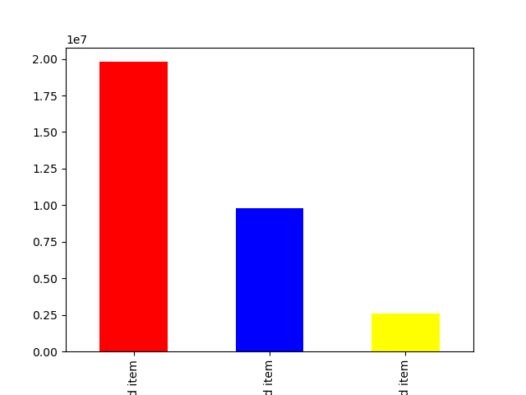

 | The recommendation is to

Recommendation 3: Group products by Low-priced (< $9), Mid-priced ($10-$14), and High-priced items (> $14). Low priced items are the biggest category, followed by Mid-priced items then High-priced items.

Question 4: Are there certain types of products that are more popular than others? The marketing and sales teams want to know which departments have the highest frequency of product orders.

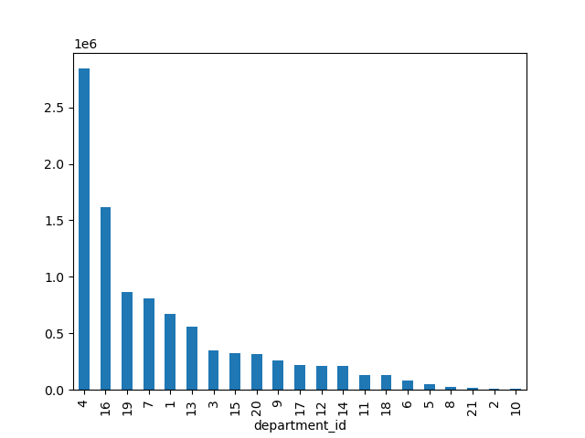

Recommendation 4: The top 5 perfomring departments were produce, dairy, snacks, beverage and frozen. The bottom 5 performing departments were bulk, other, pets, alcohol and international. Consider marketing and sales strategies and further analysis of these departments.

Question 5: What’s the distribution among users in regards to their brand loyalty (i.e., how often do they return to Instacart)?

Recommendation 5: Most of Instacart's customers are Regular customers, followed by Loyal customers. While, New Customers make up the smallest customer demogrphic in terms of customer loyalty. Focusing more on customer acquisition as well as loyalty programs to help convert more regular customers into loyal customers is recommended.

Question 6: Are there differences in ordering habits based on a customer’s loyalty status?

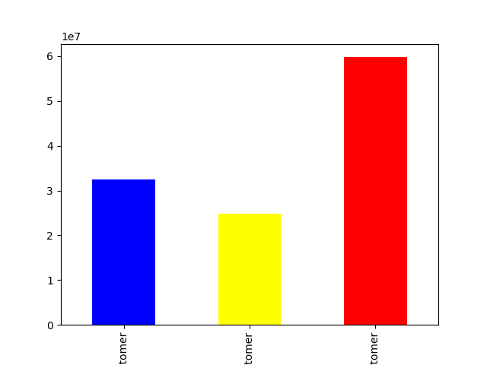

Recommendation 6: While spending habits correlate to size of the loyalty group, the new customers have a higher average spend than all the loyal and regular customers. It is recommended to incentivize new customers to increase their order spend further.

Question 7: Are there differences in ordering habits based on a customer’s region?

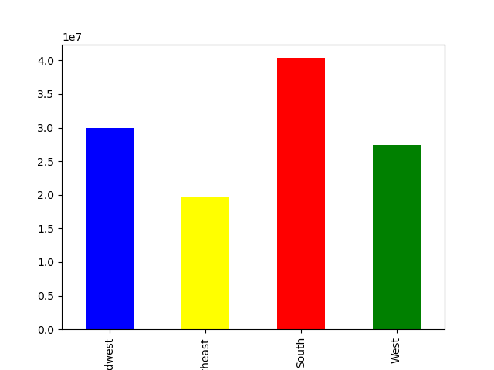

Recommendation 7: The South is the top sales region followed by the MidWest and West regions. The Northeast has the lowest sales of all sales regions. The regional recommendation is to analyze the customer aqcuisition strategy in the Northeast region.

Question 8: Is there a connection between age and family status in terms of ordering habits?

Recommendation 8: There is not a strong correlation between age and the number of dependants, as there is great variation in the number of dependants regardless of age. Therefore, it is not recommended to focus on the age/family staus relationship of customers.

Question 9: What differences can you find in ordering habits of different customer profiles?

Recommendation 9: The top high-spending customer profiles are married seniors then young parents followed by middle-aged parents. Young, single adults make up the smallest prcentage of Instacart's high spenders. Middle-aged single adults spend the most money per order of all groups. The recommendation is to target higher=priced items on married seniors and middle-aged single adults.

